Confusion_metrics
S.No | Confusion_Metrics | Heat Map
6 | 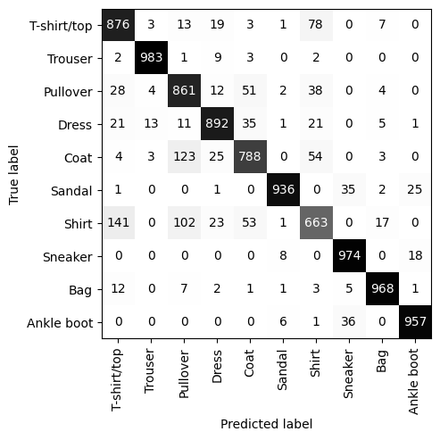 | 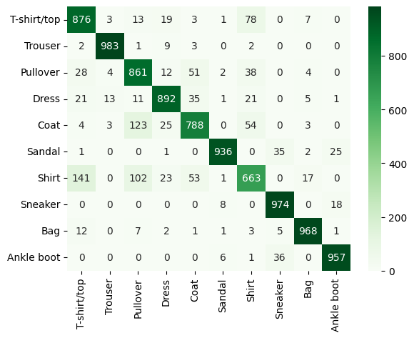

2

